Sheet1
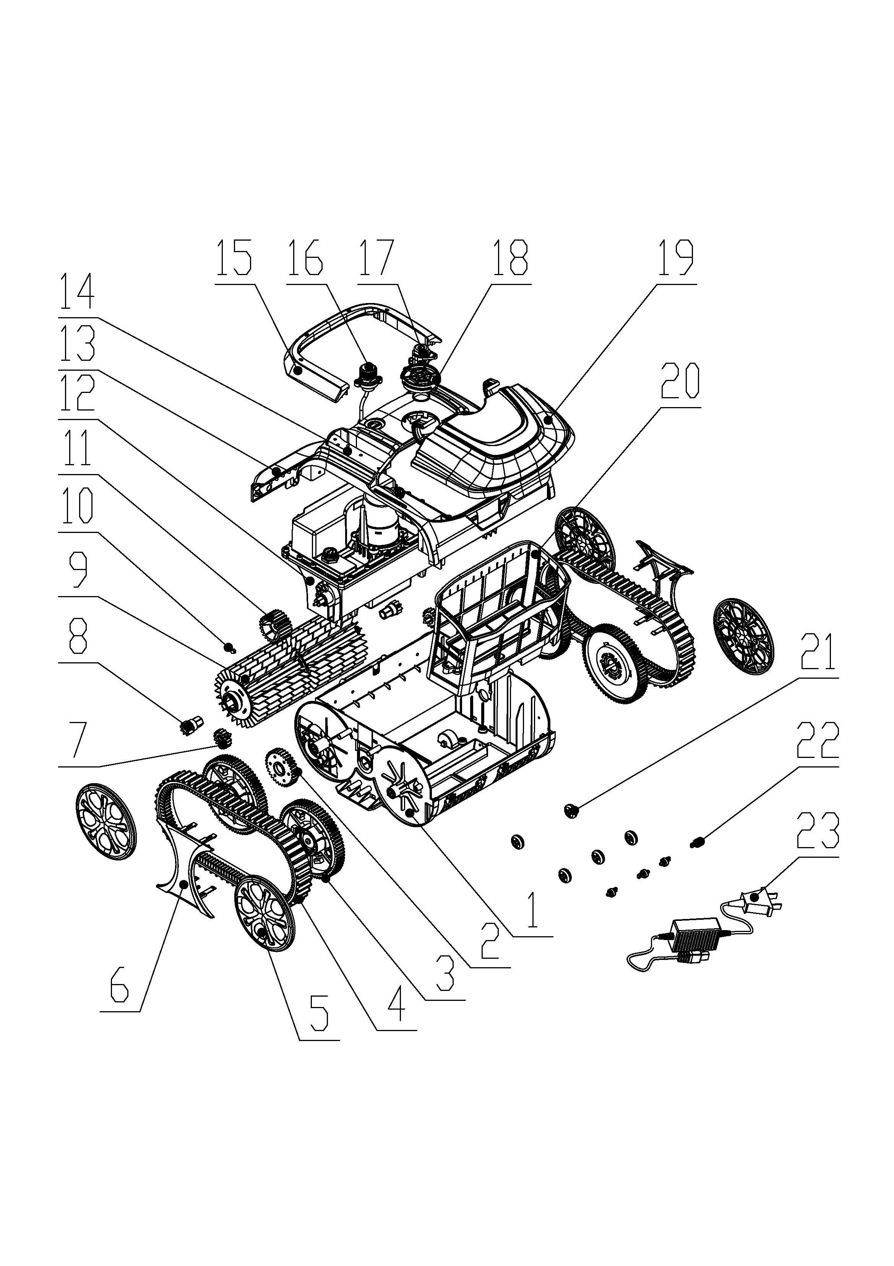
LATITUDE CLASSIC PARTS LIST
Reference | INO Item No. | Description | Units/ Package | Covered by Warranty | Repair Center Price | MSRP & Consumer Price | Quantity Ordered | Total Cost
1 | LTCL-1 | Shell | 1 | N | 24.50 | 39.99 |  | $0.00
2 | LTCL-2 | Wheel gear | 1 | N | 2.50 | 3.99 |  | $0.00
3 | LTCL-3 | Wheels | 2 | N | 6.90 | 11.99 |  | $0.00
4 | LTCL-4 | Tracks | 2 | N | 16.50 | 27.99 |  | $0.00
5 | LTCL-5 | Wheel cover | 2 | N | 1.50 | 2.99 |  | $0.00
6 | LTCL-6 | Side cover | 1 | N | 1.50 | 2.99 |  | $0.00
7 | LTCL-7 | Cylindrical gear | 2 | N | 1.00 | 1.99 |  | $0.00
8 | LTCL-8 | Roller gear | 2 | N | 1.00 | 1.99 |  | $0.00
9 | LTCL-9 | Roller kit | 1 | N | 29.50 | 49.99 |  | $0.00
10 | LTCL-10 | Nut | 2 | N | 0.35 | 0.99 |  | $0.00
11 | LTCL-11 | Driving gear | 2 | N | 7.50 | 12.99 |  | $0.00
12 | LTCL-12 | Motor & battery kit | 1 | Y | 265.00 | 349.99 |  | $0.00
13 | LTCL-13 | Sensor seal box-2H | 1 | Y | 40.00 | 79.99 |  | $0.00
14 | LTCL-14 | Front cover | 1 | N | 7.50 | 12.99 |  | $0.00
15 | LTCL-15 | Handle kit | 1 | N | 3.50 | 5.99 |  | $0.00
16 | LTCL-16 | Charging seat | 1 | N | 8.50 | 14.99 |  | $0.00
17 | LTCL-17 | Button kit | 1 | N | 2.50 | 4.99 |  | $0.00
18 | LTCL-18 | Water outlet | 1 | N | 0.95 | 1.99 |  | $0.00
19 | LTCL-19 | Top cover | 1 | N | 16.50 | 27.99 |  | $0.00
20 | LTCL-20 | Filter basket- 180 m | 1 | N | 9.50 | 15.99 |  | $0.00
21 | LTCL-21 | Bottom obstacle wheel | 5 | N | 0.25 | 0.99 |  | $0.00
22 | LTCL-22 | Front obstacle wheel | 4 | N | 0.25 | 0.99 |  | $0.00
23 | LTCL-23 | Charger | 1 | N | 50.00 | 79.99 |  | $0.00
24 | LTCL-24 | PCB | 1 | Y | 45.00 | 59.99 |  | $0.00
25 | LTCL-25 | Battery pack | 1 | Y | 195.00 | 259.99 |  | $0.00
26 | LTCL-26 | Pump motor | 1 | Y | 45.00 | 59.99 |  | $0.00
27 | LTCL-27 | Driving motor | 1 | Y | 45.00 | 59.99 |  | $0.00
 |  |  |  |  |  |  | TOTAL | $0.00

