Retail Robotic Cleaners
 |  |  |  | 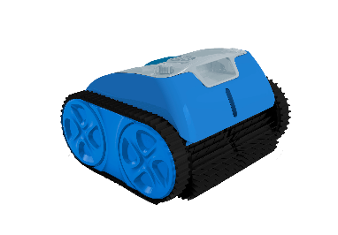 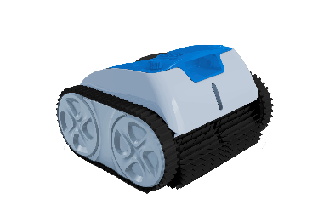
MODELS | FINN | DASH | MAX | LATITUDE CLASSIC | LATITUDE PLUS
Pool Type | Above ground- up to 21' round flat bottom | All above ground & up to 16' x 36' x 5' (in-ground) | Up to 24' x 44' x 8' in-ground pool | All In-ground pools surfaces, shapes & sizes | All In-ground pools surfaces, shapes & sizes
Pool Coverage | Floor | Floor | Floor | Floor, Walls, Waterline | Floor, Walls, Waterline
Pool Depth/ slope | 5 Feet, flat/dished bottom | Will climb 5' transitional length slope | Will climb 8' transitional length slope | Will climb 9' transitional length slope | Will climb 9' transitional length slope
Cleaning Surface | Liner | Liner, Gunite, Fiberglass | Liner, Gunite, Fiberglass | All | All
Cleaning Coverage | Up to 484 sq. ft. | Up to 600 sq. ft. | Up to 1200 sq. ft. | Up to 1000 sq Ft | Up to 1300 sq Ft
Cleaning Brushes | 4 strategically located brushes/ 2-large port openings | 4 strategically located brushes / 2-large port openings | 2 motorized rotating brushes / 2 extra-large port openings | 2 Front Split Brushes with 1 Extra Large port opening | 2 Front Split Brushes with 1 Extra Large port opening
Cleaning Pattern | Programed Route - faster & more efficient | Programed Route - faster & more efficient | Programed Route- Intelligent Scanning | Intelligent Route - auto reverse, sensor assist, rapid floor only | Sensor Route - auto reverse, software driven, rapid floor only
Filter Efficiency | Dual filtration- 150 micron & 70 micron (algae, pollen sand) | Dual filtration- 150 micron & 10 micron (algae, pollen, sand) | Dual filtration- 150 micron & 10 micron (algae, pollen, sand) | 160 micron filter basket | 2- separate filter baskets: 180 micron & 100 micron
Suction/ Power | 65 liter/ minute 17 gallons / minute | 80 liter/ minute 21 gallons / minute | 100 liter/ minute 26 gallons / minute | 166 liter/ minute 44 gallons / minute | 166 liter/ minute 44 gallons / minute
Filter Capacity | 2.2 liters | 3.2 liters | 4.5 liters | Up to 6 liters | Up to 6 liters
Run Time | 60 minutes | 80 minutes | 120 minutes | 110 minutes | 165 minutes
Battery Charge Time | 5-6 hours | 5-6 hours | 5-6 hours | 3- hour fast charge | 3- hour fast charge
Weekly Timer | No | No | No | Yes- 1 x per week scheduled cleaning cycles | Yes- 3 x per week scheduled cleaning cycles
Smartphone APP | No | No | No | Yes - Customizable | Yes - Customizable
Air/water Sensor | Yes | Yes | Yes | Yes | Yes
Cordless Operation | Yes | Yes | Yes | Yes | Yes
Obstacle Avoidance | Yes | Yes | Yes | Yes- intelligent route technology | Yes- sensor route technology
Filter Access | Top access (transparent canister) | Top access (transparent canister) | Top access (transparent canister) | Top access lid | Top access lid
All- terrain Wheels | Yes - Soft rubber | Yes - Soft rubber | Yes - Soft rubber | Yes -Soft all surface tracks | Yes -Soft all surface tracks
Battery Power Output | Lithium 4,000 mAh | Lithium 5,200 mAh | Lithium 13,000 mAh | Lithium 9,200 mAh | Lithium 15,000 mAh
Total Motor Power | 23 watts | 27 watts | 51 watts | 65 watts | 65 watts
Warranty (MU, PCB, Battery) | 12 months | 18 months | 24 months | 24 months | 24 + 12 months
Cleaner Weight | 6 lbs. | 8.5 lbs. | 10.5 lbs. | 16 lbs | 16.5 lbs

